A-10C
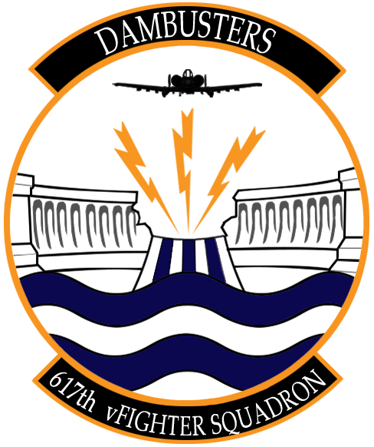
Air to Air Weapons | Cost | Weight (kg) | Number of Weapons | Cost Total | Weight Total (kg)
AIM-9L | $190,000 | 86 |  | $0 | 0
AIM-9M | $200,000 | 86 |  | $0 | 0
Air to Ground Weapons | Cost | Weight (kg) | Number of Weapons | Cost | Weight Total (kg)
Mk-82 | $2,000 | 241 |  | $0 | 0
Mk-82 AIR | $2,300 | 258 |  | $0 | 0
Mk-84 | $3,100 | 925 |  | $0 | 0

GBU-12 | $21,000 | 225 |  | $0 | 0
GBU-10 | $30,000 | 900 |  | $0 | 0
 |  |  |  |  | 0
GBU-38 | $25,000 | 252 |  | $0 | 0
GBU-31(V)3/B | $38,000 | 981 |  | $0 | 0
GBU-31 | $35,000 | 900 |  | $0 | 0

CBU-87 | $30,000 | 430 |  | $0 | 0
CBU-97 | $600,000 | 415 |  | $0 | 0
CBU-103 | $80,000 | 430 |  | $0 | 0
CBU-105 | $700,000 | 415 |  | $0 | 0

AGM-65D | $75,000 | 293 |  | $0 | 0
AGM-65G | $90,000 | 306 |  | $0 | 0
AGM-65H | $37,000 | 1060 |  | $0 | 0
AGM-65K | $30,000 | 1060 |  | $0 | 0

MK151 HE Rocket | $58,000 | 234 |  | $0 | 0
MK 156 WP Rocket | $58,000 | 234 |  | $0 | 0
MK5 HEAT Rocket | $58,000 | 234 |  | $0 | 0
M257 Rocket Parachute Light | $15,000 | 234 |  | $0 | 0
M274 Rocket Smoke | $15,000 | 234 |  | $0 | 0
Miscellaneous | Cost | Weight (kg) | Number of Weapons | Cost | Weight Total (kg)
AN/AAQ-28 Lightning | $1,400,000 | 300 |  | $0 | 0
ALQ-184 | $900,000 | 305 |  | $0 | 0
ALQ-131 | $800,000 | 215 |  | $0 | 0
Fuel Drop Tanks | $5,000 | 125 |  | $0 | 0

 |  |  | TOTAL | $0 | 0

Max Cost Allowed: $100,000,000
Max Weight Allowed: 120,000 kgs

